Overview
Employee Attrition Dashboard (Excel Project)

## Overview

This Excel-based dashboard provides a comprehensive analysis of employee attrition, salary, and performance across departments and job roles. The goal is to deliver key HR insights to aid strategic decision-making.

---

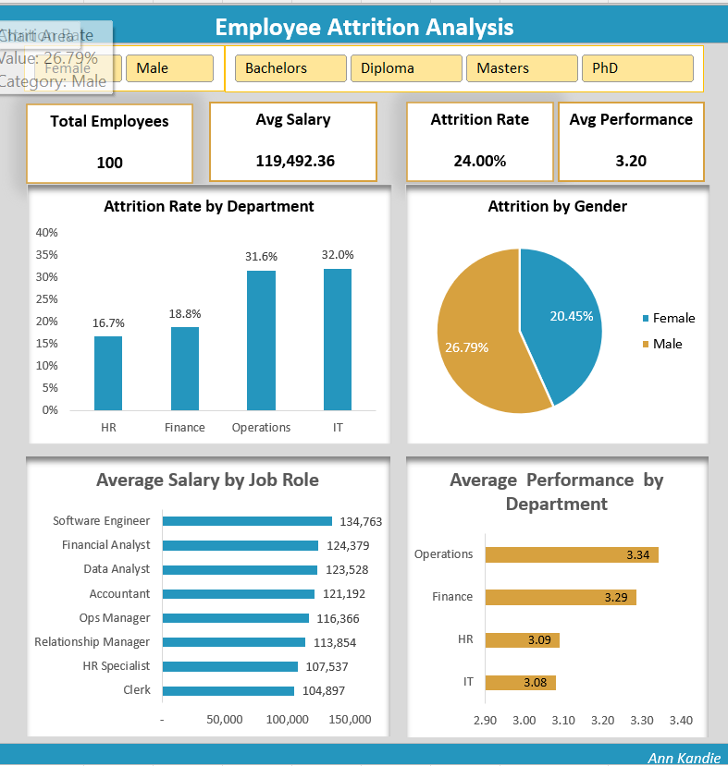
## Final Output

---

## Tools Used

- **Microsoft Excel**
- Power Pivot
- Pivot Tables
- Pivot Charts
- DAX formulas
- Data modeling and relationships
- Slicers

---

## Dataset Description

The dataset includes:
Employee ID, Department, Job Role
Gender, Salary, Performance Rating
Attrition Status (Yes/No)

---

## Steps to Build the Dashboard

## Data Preparation

### 1. Get Data from SQLite Server using ODBC
The employee data was imported from a SQL Server database via Excel using the ODBC connector.

#### Steps:
- Go to `Data` > `Get Data` > `From Other Sources` > `From ODBC`.
Select or set up a DSN (Data Source Name) pointing to your SQL Server instance.
Authenticate using your database credentials.

#### SQL Query Used:
```sql
SELECT
e.employee_id,
e.name,
e.age,
e.gender,
e.education_level,
e.salary,
e.hire_date,
d.department_name,
jr.job_title,
a.attrition_status,
a.attrition_date,
ROUND(AVG(p.performance_rating), 2) AS avg_performance_rating
FROM
employees e
LEFT JOIN departments d ON e.department_id = d.department_id
LEFT JOIN job_roles jr ON e.job_role_id = jr.job_role_id
LEFT JOIN attrition a ON e.employee_id = a.employee_id
LEFT JOIN performance p ON e.employee_id = p.employee_id
GROUP BY
e.employee_id,
e.name,
e.age,
e.gender,
e.education_level,
e.salary,
e.hire_date,
d.department_name,
jr.job_title,
a.attrition_status,
a.attrition_date;

This query uses LEFT JOINs to merge tables while preserving unmatched rows from the employees table.

It also uses AVG() to calculate average performance ratings per employee.

### 2. Data Cleaning
Data transformations were done in Power Query Editor before loading to Excel.

#### Steps:
Opened Power Query from the Navigator pane after data import.

Renamed columns for clarity and consistency (e.g., attrition_status → Attrition Status).

Formatted date fields (hire_date, attrition_date) to proper Date type.

Ensured correct data types for all columns (e.g., numeric, text, date).

### 3. Load Data
Imported data into Power Pivot

### 4. Created Measures Using DAX
Example DAX formulas used:
*Attrition Rate*:
```DAX
Attrition Rate =DIVIDE(
CALCULATE(COUNTROWS(FILTER(employee_summary, employee_summary[attrition_status] = "Yes"))),
COUNTROWS(employee_summary)
)

*Total Employees*:
```DAX
Total Employees = DISTINCTCOUNT(Employee[EmployeeID])
```

### 5. Built Pivot Tables
Attrition Rate by Department
Attrition by Gender
Average Salary by Job Role
Performance Rating by Department

### 6. Built Pivot Charts
Column chart: Attrition by Department
Pie chart: Attrition by Gender
Bar charts: Salary and Performance breakdowns

### 7. Dashboard Design
Arranged KPIs (Total Employees, Avg Salary, Attrition Rate, Performance)
Added slicers for interactivity
Used clean color schemes and chart labels

### 8. Sorting and Clean-up
Sorted charts by descending values for better readability
Removed unnecessary fields from visuals (filters)

### 9. Security
File protected as Read-Only using a password
Locked layout to prevent accidental edits

---

## How to Export as Image

1. Select the entire dashboard area
2. Press `Ctrl + C` to copy
3. Paste into PowerPoint or Paint
4. Save as `.PNG` or `.JPG`

---

## Created by

Ann Kandie
[Linkedin])

Dashboard
Employee Attrition Analysis
Attrition Rate by Department
Department | Attrition Rate
HR | 16.67%
Avg Salary
119,492.36
Attrition Rate
24.00%
Avg Performance
3.20
Finance | 18.75%
Total Employees
100
Operations | 31.58%
IT | 32.00%
Grand Total | 24.00%
Attrition Rate by Department
Attrition by Gender
Distinct Count of employees
100
Attrition By Gender
Gender | Attrition Rate
Female | 20.45%
Male | 26.79%
Grand Total | 24.00%

Average Salary by Job Role
Job Role | Average of salary
Clerk | 104,897.00
HR Specialist | 107,537.17
Average Salary by Job Role
Average Performance by Department
Relationship Manager | 113,854.00
Ops Manager | 116,365.75
Accountant | 121,191.75
Data Analyst | 123,528.00
Financial Analyst | 124,379.42
Software Engineer | 134,762.71
Grand Total | 119,492.36

Average Performance by Department
Department | Average Performance
IT | 3.08
HR | 3.09
Finance | 3.29
Operations | 3.34
Ann Kandie
Grand Total | 3.20

Education Level | Average of salary | Attrition Rate
Bachelors | 116,823.02 | 0.32727272727
Diploma | 113,941.40 | 0.2
Masters | 121,592.48 | 0.095238095238
PhD | 172,925.00
Grand Total | 119,492.36 | 0.24

